DISTINCT B FACTOR
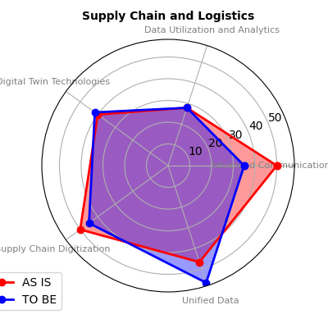
 |  | BUSINESS FUNCTION | MEASURING ELEMENT | PERCENTAGE "AS IS" WRT OTHER COMPANIES LEVEL | PERCENTAGE "TO BE" WRT OTHER COMPANIES LEVEL
Finance | HSE | Community and Stakeholder Relations | Environmental and Sustainability Solutions | 42.5 | 42.5
HR | CRM |  | Stakeholder Involvement | 40 | 60
Operations | Operations |  | Advanced Communication and Connectivity | 50 | 35
Logistics |  |  | Unified Data | 46.67 | 56.67
HSE | HR |  | Change Management | 45 | 90
Supply chain |  |  | Strategic Vision and Leadership | 40 | 40
CRM |  |  | Data Utilization and Analytics | 28 | 28
Maintenance | CRM |  | Customer Experience | 20 | 60

 | Finance | Exploration and Geology | Market analysis | 33.33 | 43.33
 |  |  | Data Utilization and Analytics | 28 | 28
 | HSE
 |  | Finance and Accounting | Digital Capability | 60 | 66.67
 |  |  | Strategic Vision and Leadership | 40 | 40
 |  |  | Data Utilization and Analytics | 28 | 28

 | Operations |  | Remote Monitoring and Diagnostics | 65 | 35
 | Operations |  | Advanced Communication and Connectivity | 50 | 35
 |  |  | Worker Safety | 50 | 70
 |  | Health Safety and Environment (HSE) | Environmental and Sustainability Solutions | 42.5 | 42.5
 |  |  | Digital Twin Technologies | 40 | 41.67
 |  |  | Data Utilization and Analytics | 28 | 28

 |  |  | Culture | 55 | 60
 |  |  | Advanced Communication and Connectivity | 50 | 35
 |  |  | Human Resources | 50 | 53.33
 |  | Human Resources (HR) | Worker Enablement | 50 | 45
 |  |  | Workforce Skills and Training | 45 | 45
 |  |  | Performance Management | 44 | 68
 |  |  | Ease of Use and Adoption | 40 | 86.67

 |  | Legal and Compliance | Cybersecurity and Data Privacy | 40 | 40
 |  |  | Contract management | 26.67 | 73.33

 |  |  | Market analysis | 33.33 | 43.33
 |  |  | Customer Experience | 20 | 60
 |  |  | Power Generation | 60 | 62.86
 |  |  | generation technology | 57.5 | 55
 |  |  | Advanced Communication and Connectivity | 50 | 35
 |  |  | Worker Safety | 50 | 70
 |  |  | Scheduling | 46.67 | 33.33
 |  | Marketing and sales | Internet of Things (IoT) Integration | 40 | 37.78
 |  |  | Digital Twin Technologies | 40 | 41.67
 |  |  | Ease of Use and Adoption | 40 | 86.67
 |  |  | Ventiltion requirements | 40 | 56
 |  |  | Undeground and surface infrastructure | 37.14 | 62.86
 |  |  | Mine access | 32.5 | 42.5
 |  |  | Mineral processing | 31.67 | 36.67
 |  |  | Quality control | 30 | 40
 |  |  | Design management | 30 | 50
 |  |  | Data Utilization and Analytics | 28 | 28
 |  |  | Automation and Robotics | 25 | 30
 |  |  | Logistics | 20 | 60

 |  | Processing and Metallurgy | Digital Twin Technologies | 40 | 41.67
 |  |  | Mineral processing | 31.67 | 36.67

 |  | Supply Chain and Logistics | Advanced Communication and Connectivity | 50 | 35
 |  |  | Supply Chain Digitization | 50 | 45
 |  |  | Unified Data | 46.67 | 56.67
 |  |  | Digital Twin Technologies | 40 | 41.67
 |  |  | Data Utilization and Analytics | 28 | 28

AFFINITY PLOT
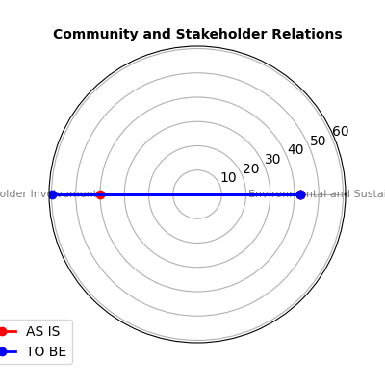
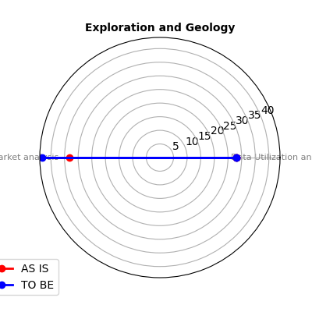
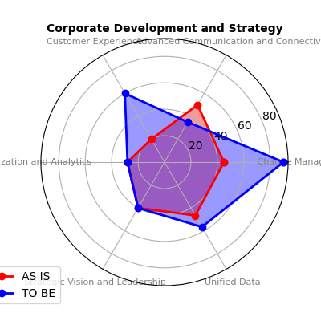
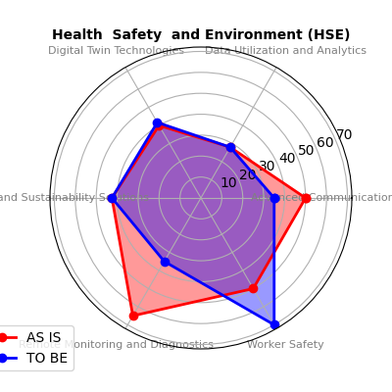
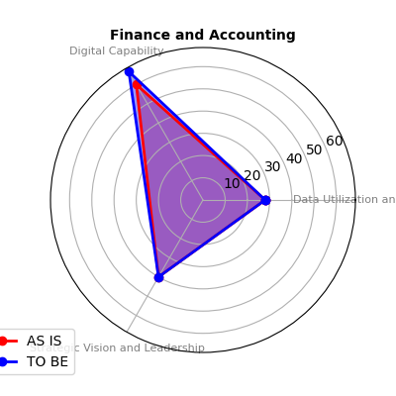
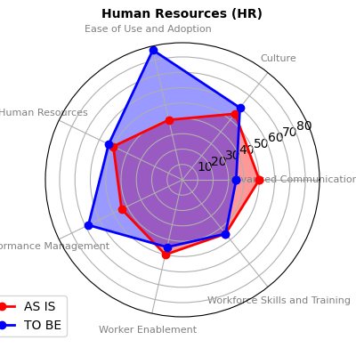
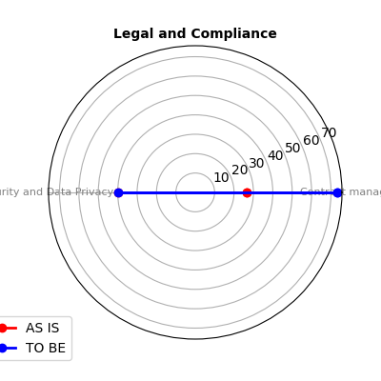
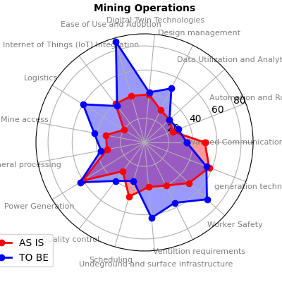
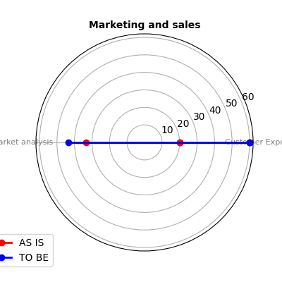
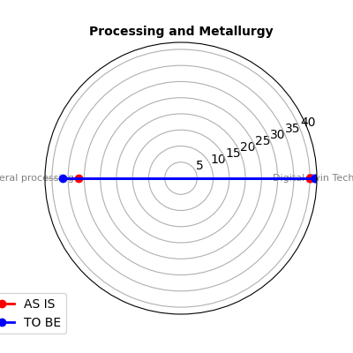
AFFINITY PLOT BETWEEN THE BUSINESS FUNCTIONS AND THE DIFFERENT MESURING ELEMENTS

GRAPH OF FURTHER COM
